Indices

 | Iraq Stock Exchange
 | Bulletin No (206)

 | ISX Trading Indices of Tuesday 18/11/2025

 | Traded Volume and OTC |  | 1,653,990,227 |  | Traded Value and OTC |  | 2,455,927,769 |  | Traders | 1009
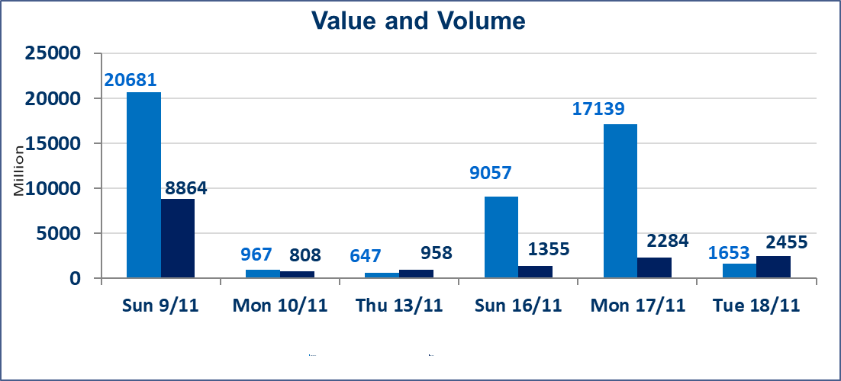
 | ISX Index 60 |  |  | 964.88 | ISX Index 15 |  |  | 1183.90
 | Previous ISX Index60 |  |  | 958.15 | Previous ISX Index15 |  |  | 1176.71
 | Change % |  |  | 0.70 | Change % |  |  | 0.61
 | Change |  |  | 6.73 | Change |  |  | 7.19

 | Listed Companies | 104 | OTC | 11 | Non Traded listed | 38 | OTC | 9
 | Traded Listed Companies | 48 | OTC | 1 | Higher Companies |  |  | 20
 | GAM Companies |  |  | 5 | Lower Companies |  |  | 8
 | Suspended Companies |  |  | 13
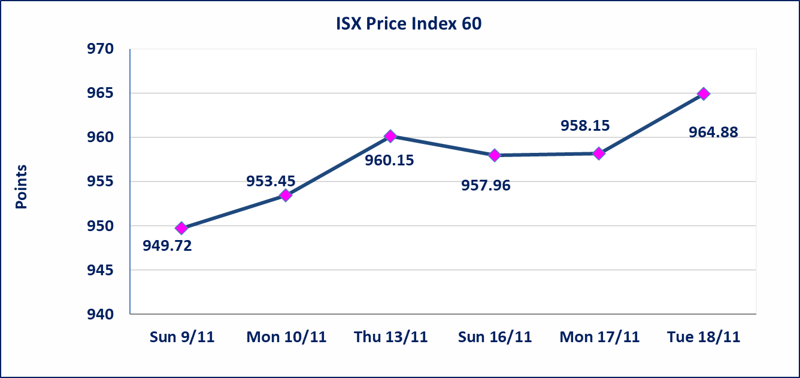
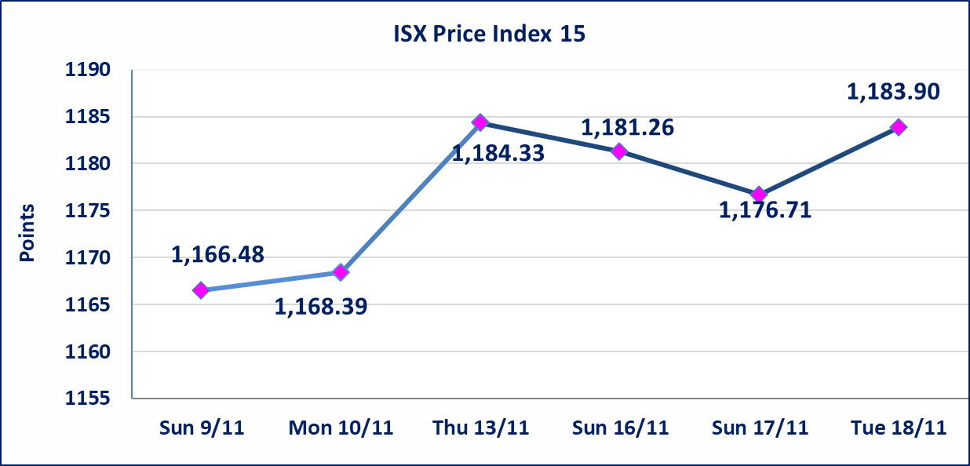

 | special orders | Al-Karmel Company (Sell), Al-Kassab Company (Buy) placed a special order on shares of Asia Bank Iraq Company with a number of shares (1,150,000,000) shares with a value of (897,000,000) dinars, during the additional session time (after 1 pm) in accordance with the procedures for executing large transactions.
Al-Alwiya P.O . 3607 Mobile: 07711211522 - 07270094594 - 07834000034 E-mail: info-isx@isx-iq.net Web site:www.isx-iq.net

Top 5
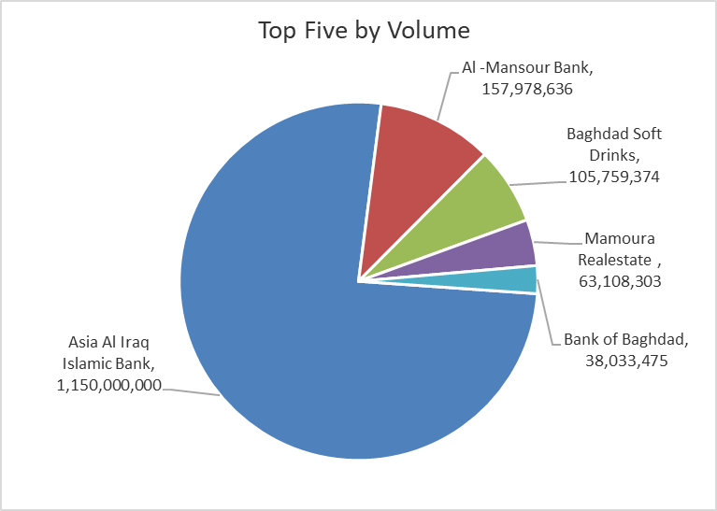
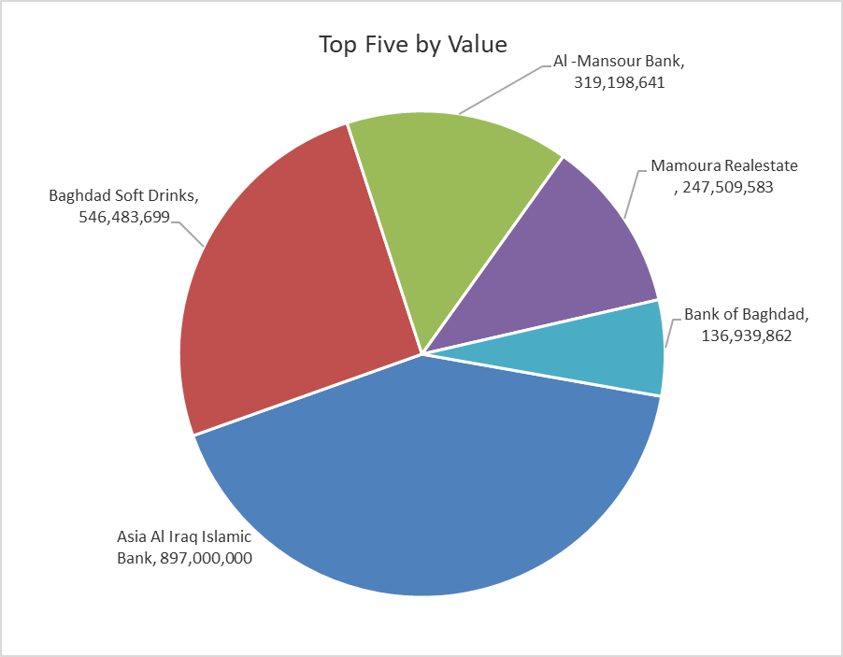
ISX top ganing and losing companies
Tuesday 18/11/2025
Gainers |  |  |  | Losers
Company Name | Closing Price | Change (%) | Traded Volume | Company Name | Closing Price | Change (%) | Traded Volume
Al-Ameen Estate Investment | 1.800 | 20.00 | 1,634,982 | Al-Qabidh Islamic Bank | 0.180 | -14.29 | 1,000,000
Tourist Village of Mosul dam | 9.910 | 14.97 | 599,727 | union Bank of Iraq | 0.230 | -8.00 | 5,001,000
Babil Animal & Vegetable Production | 6.310 | 14.94 | 50,000 | Mosul Bank For Investment | 0.150 | -6.25 | 5,986,578
Mamoura Realestate | 4.200 | 12.00 | 63,108,303 | Investment Bank of Iraq | 0.200 | -4.76 | 3,854
Iraqi Carton Manufactories | 2.150 | 10.26 | 4,139,572 | Palestine Hotel | 28.200 | -2.32 | 518,752

The most active companies in term of traded volume and value

Traded Volume |  |  |  | Traded Value
Company Name | Closing Price | Change (%) | Traded Volume | Company Name | Closing Price | Change (%) | Traded Value
Asia Al Iraq Islamic Bank | 0.780 | 0.00 | 1,150,000,000 | Asia Al Iraq Islamic Bank | 0.780 | 0.00 | 897,000,000
Al -Mansour Bank | 2.020 | -0.49 | 157,978,636 | Baghdad Soft Drinks | 5.180 | 2.17 | 546,483,699
Baghdad Soft Drinks | 5.180 | 2.17 | 105,759,374 | Al -Mansour Bank | 2.020 | -0.49 | 319,198,641
Mamoura Realestate | 4.200 | 12.00 | 63,108,303 | Mamoura Realestate | 4.200 | 12.00 | 247,509,583
Bank of Baghdad | 3.600 | 0.56 | 38,033,475 | Bank of Baghdad | 3.600 | 0.56 | 136,939,862

OTC

Iraq Stock Exchange

Tuesday 18/11/2025
OTC Platform Trading Bulletin No (206)
Company Name | Code | highest price | lowest price | Average price | No.of Trades | Traded Volume | Traded Value
Banks Sector
Al-Warka Bank | BWAI | 0.090 | 0.090 | 0.090 | 11 | 22,500,000 | 2,025,000
Total Of Banks Sector |  |  |  |  | 11 | 22,500,000 | 2,025,000
Total |  |  |  |  | 11 | 22,500,000 | 2,025,000

Not Trading OTC Companies
Company Name |  |  | Code |  | Previous Average price
Banks Sector
Al-Sanam Islamic Bank |  |  | BSAN |  | 3.000
Hammurabi Commercial Bank |  |  | BHAM |  | ـــــــــــــــــــــــــــــــــــ
Money Service Sector
Rabee Securities |  |  | FRSE |  | 9.500
Karmal Brokerage |  |  | FKSX |  | 10.000
Ishtar Gate for e-Paymant |  |  | FISH |  | 1.000
Sama Baghdad Exchange |  |  | FSBE |  | ـــــــــــــــــــــــــــــــــــ
Iraqi Deposit Insurance Corporation |  |  | FIDI |  | ـــــــــــــــــــــــــــــــــــ
Insurance Sector
Shatt Al Arab Insurance |  |  | NSHA |  | 1.000
Dilina Insurance Company |  |  | NDIL |  | ـــــــــــــــــــــــــــــــــــ

Non OTC

Iraq Stock Exchange
Non Iraqis' Bulletin Tuesday Nov 18 2025
Regular Market

Non Iraqi Trading of OTC (Sell)
Company Names | Code | No.of trades | Traded Shares | Trading Volume
Banks Sector
Warka Bank for inv.&Finance | BWAI | 9 | 22,000,000 | 1,980,000
Total Bank sector |  | 9 | 22,000,000 | 1,980,000
Grand Total |  | 9 | 22,000,000 | 1,980,000

